FULL TEST
PART 1

Please calculate the missing values in the green cells, showing your workings. If you don't know how to tackle any of the questions, please move to the next

1 | Total sales value (EUR) | 10,000
 | Average price (EUR) | 100
 | Total sales volume (Units)

2 | Total sales value (USDm) | 25
 | Average price (GBP) | 100
 | Exchange rate (1 GBP = x USD) | 1.25
 | Total sales volume (Units)

3 | Price of Product 1 | 10
 | Price of Product 2 | 14
 | Price of Product 3 | 18
 | Average price

4 |  | PRICE | UNITS SOLD
 | Product 1 | 10 | 3,000
 | Product 2 | 14 | 5,000
 | Product 3 | 18 | 750
 | WEIGHTED average price

5 | Sales of product X
 | 2020 | 200
 | 2021 | 240
 | Annual % change

6 | Sales of product X
 | 2020 | 150
 | 2021
 | Annual % change | 15%

7 | Sales of product X
 | 2020
 | 2021 | 139.75
 | Annual % change | 7.5%

8 | Sales of product Y
 | 2017 | 7,500
 | 2018 | 7,875
 | 2019 | 8,269
 | 2020 | 8,682
 | 2021 | 9,116
 | 2022
 | What level of sales can be resonably expected in 2022, based on the past trend ?

9 |  | Sales of product Y | Sales % change | GDP % change
 | 2017 | 7,500 |  | 1.5%
 | 2018 | 7,800 | 4.0% | 2.0%
 | 2019 | 8,070 | 3.5% | 1.75%
 | 2020 | 7,260 | -10.0% | -5.0%
 | 2021 | 7,770 | 7.0% | 3.5%
 | 2022 |  |  | 1.0% | (expected)
 | What level of sales can be resonably expected in 2022, based on the past trend ?

10 | Sales of product Y
 | 2017 | 7,500
 | 2018 | 8,060
 | 2019 | 7,860
 | 2020 | 8,250
 | 2021 | 8,420
 | 2022
 | How would you approach the estimate of expected 2022 sales, based on the past trend, and why ?
 | List as many approaches as you can think of and give an example of a possible solution for each
 | 1
 | 2
 | 3
 | …

11 | Can you find any mistakes in the table below ? Please show any workings

 |  | 2018 | 2019 | 2020 | 2021 | 2022 | 2023 | 2024 | 2025 | 2026
 | Sales Volume | 10,000 | 10,500 | 11,000 | 12,000 | 13,000 | 12,500 | 11,500 | 11,000 | 11,000
 |  |  | 5.0% | 4.8% | 9.1% | 8.3% | 3.8% | -8.0% | -4.3% | 0.0%
 | Average Price | 12 | 12 | 12 | 12.5 | 12.5 | 12.5 | 13 | 13 | 13.5
 |  |  | 0.0% | 0.0% | 4.2% | 0.0% | 0.0% | 4.0% | 0.0% | 3.8%
 | Sales Value | 120,000 | 126,000 | 132,000 | 150,000 | 162,500 | 156,250 | 149,500 | 141,000 | 148,500
 |  |  | 5.0% | 4.8% | 9.1% | 8.3% | -3.8% | -8.0% | -4.3% | 0.0%

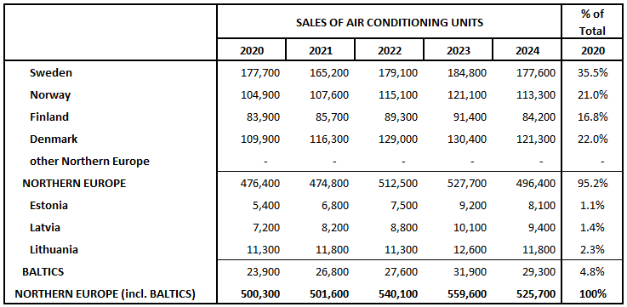
12 | Format the data below so that is looks roughly like the picture to the right

 | Denmark | 109900.0 | 116300.0 | 129000.0 | 130400.0 | 121300.0 | 114900.0
 | Estonia | 5400.0 | 6800.0 | 7500.0 | 9200.0 | 8100.0 | 6600.0
 | Finland | 83900.0 | 85700.0 | 89300.0 | 91400.0 | 84200.0 | 78000.0
 | Latvia | 7200.0 | 8200.0 | 8800.0 | 10100.0 | 9400.0 | 8500.0
 | Lithuania | 11300.0 | 11800.0 | 11300.0 | 12600.0 | 11800.0 | 9000.0
 | Norway | 104900.0 | 107600.0 | 115100.0 | 121100.0 | 113300.0 | 108400.0
 | other Northern Europe | 0.0 | 0.0 | 0.0 | 0.0 | 0.0 | 0.0
 | Sweden | 177700.0 | 165200.0 | 179100.0 | 184800.0 | 177600.0 | 169000.0

13 | OPEN QUESTION
 |  | 2018 | 2019 | 2020 | 2021 | 2022 | 2023 | 2024
 | Brand A | 485,000 | 450,000 | 400,000 | 410,000 | 420,000 | 425,000 | 430,000
 | Brand B | 10,000 | 9,600 | 9,000 | 9,300 | 9,700 | 10,200 | 11,000
 | Brand C | 60,000 | 55,000 | 45,000 | 42,000 | 40,000 | 38,000 | 35,000

 | Considering the development of sales of product Z in France over the time period, comment on:
 | - development of the total market, pre and post 2020
 | - relative share of each brand
 | - relative performance of each brand
 | Please show any workings
 | Can you think of an example of an actual market where this situation could be witnessed, and why?

PART 2

Summarize in around 200 words the following profile of China's economy, taken from the site of the World Bank

Since China began to open up and reform its economy in 1978, GDP growth has averaged almost 10 percent a year, and more than 800 million people have been lifted out of poverty. There have also been significant improvements in access to health, education, and other services over the same period. China is now an upper-middle-income country. It will be important going forward that poverty alleviation efforts increasingly shift to address the vulnerabilities faced by the large number of people still considered poor by the standards of middle-income countries, including those living in urban areas. China’s high growth based on resource-intensive manufacturing, exports, and low-paid labor has largely reached its limits and has led to economic, social, and environmental imbalances. Reducing these imbalances requires shifts in the structure of the economy from manufacturing to high value services, and from investment to consumption. Over the past few years, growth has moderated in the face of structural constraints, including declining labor force growth, diminishing returns to investment, and slowing productivity. The challenge going forward is to find new drivers of growth while addressing the social and environmental legacies of China’s previous development path. China’s rapid economic growth exceeded the pace of institutional development, and there are important institutional and reform gaps that China needs to address to ensure a high-quality and sustainable growth path. The role of the state needs to evolve and focus on providing stable market expectations and a clear and fair business environment, as well as strengthening the regulatory system and the rule of law to further support the market system. Given its size, China is central to important regional and global development issues. China is the largest emitter of greenhouse gases, with per capita emissions now surpassing those of the European Union, although slightly below the OECD average and well below the

PART 3

1 | Can you think of up to three factors that will drive up, and up to three factors that will drive down global sales of smartphones over the next 5 years. Explain your thinking with short bullet points

 | DRIVING DEMAND UP: |  |  |  |  |  |  | DRIVING DEMAND DOWN:
1 |  |  |  |  |  |  | 1
2 |  |  |  |  |  |  | 2
3 |  |  |  |  |  |  | 3

2 | The chart below shows the development of sales of taps and mixers in Spain over 2005-2023
 | - Please comment on the development of the RMI segment relative to the total market (RMI = Renovation, Modernisation and Improvement), giving possible reasons for this pattern

 | - This table is taken from a report published in 2019. How do you think the market actually performed over 2020 and 2021, and what do you think the current forecast for 2022 and 2023 might be (approximately)

3 | The table below shows the distribution flow for kitchen taps and mixers in Spain in 2018. Can you think why:
 | - The total % share is 100% at the level of "Manufacturer / Importer", "Retail" and "End Use", but not at "Wholesale" level

 | - The share of "Manufacturer" is 0 at "End Use" level

 | - The share of DIY is 35.4% at retail level, but only 16.4% (15.4% + 1%) at End Use level

